Sheet1
 |  |  | 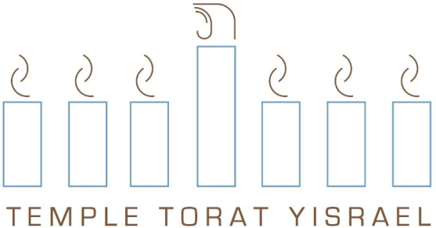

1251 MIDDLE ROAD EAST GREENWICH, RI 02818
www.toratyisrael.org
401-885-6600 or welcome@toratyisrael.org

 | A note to our new interfaith members: |  |  | Torat Yisrael: An inclusive community.
 | Membership category options |  |  | How do we define "family"?
 | As a family with an adult member of a different faith, you have |  |  | The more important question is how do you define "family"?
 | two membership options: "family" membership or |  |  | Single parent families, interfaith families, same-sex partners
 | "one adult head of household" membership |  |  | with or without children, mom, dad and kids… if you consider
 | Family membership includes 2 adult High Holiday tickets. |  |  | yourself a family, we embrace you as a family and we look
 | One adult head of household includes one adult High Holiday ticket. |  |  | forward to integrating you into our broader Torat Yisrael family.
 | *In order to become a member of Temple Torat Yisrael, One Adult member must be Jewish by Father, Mother or Conversion.

 | DUES CATEGORIES 2026-2027
 |  |  | Please check appropriate category:

 | Family |  | $2,658
 | One Adult Head of Household |  | $2,300
 | Single |  | $1,577

 | MEMBERSHIP FORM: MAIN PAGE
 | Adult #1 |  |  | Adult #2
 | First * |  | Last * | First |  | Last

 | Home Address:* |  |  | Home Address:

 | City* |  | State & Zip code* | City |  | State & Zip Code

 | Home Phone Number* |  | Cell Phone Number: | Home Phone Number: |  | Cell Phone Number:

 | Email: |  |  | Email:

 | Occupation: |  | Work Phone Number: | Occupation: |  | Work Phone Number:

 | Additional Background Information:
 | Date of Birth |  |  | Date of Birth

 | Jewish by Father |  | Jewish by Conversion (date) | Jewish by Father |  | Jewish by Conversion (date)

 | Jewish by Mother |  | Non-Jewish | Jewish by Mother |  | Non-Jewish

 | Anniversary if Applicable

 | Community Category: |  |  | Community Category:
 | Don't know/Not sure |  |  | Don't know/Not sure
 | Cohen |  |  | Cohen
 | Levi |  |  | Levi
 | Daughter of Cohen |  |  | Daughter of Cohen
 | Daugther of Levi |  |  | Daugther of Levi
 | None of Above |  |  | None of Above

 | Hebrew Name in English letters |  |  | Hebrew Name in English letters

 | Veteran of US |  |  | Veteran of US
 | Have you served in the Armed Forces in another country? |  |  | Have you served in the Armed Forces in another country?
 | If so, Where? |  |  | If so, Where?

 | Children at Home:
 | Name |  | Birthdate | Hebrew Name

 | Name |  | Birthdate | Hebrew Name

 | Name |  | Birthdate | Hebrew Name

 | Others in your household:
 | Name |  | Relationship | Name |  | Relationship

 | Skills willing to share:
 | Name |  | Skill | Name |  | Skill
 |  |  | Chant from the Torah |  |  | Chant from the Torah
 |  |  | Chant Haftarah |  |  | Chant Haftarah
 |  |  | Sing Friday evening kiddush |  |  | Sing Friday evening kiddush
 |  |  | Lead Shabbat morning service |  |  | Lead Shabbat morning service

 | Skills interested in learning:
 | Name |  | Skill | Name |  | Skill
 |  |  | Chant from the Torah |  |  | Chant from the Torah
 |  |  | Chant Haftarah |  |  | Chant Haftarah
 |  |  | Sing Friday evening kiddush |  |  | Sing Friday evening kiddush
 |  |  | Lead Shabbat morning service |  |  | Lead Shabbat morning service

 | Other special talents, interests, memberships in clubs or community Organizations that you're willing to share
 | Name | Talent/Interest/Club…. |  | Name | Talent/Interest/Club….

 | Please call us at (401) 885-6600 or e-mail us (welcome@toratyisrael.org) with any questions or problems.

